Diesel engine
Engine: | Scania diesel engine

Scania engine: | Scania DI13 070M |  |  |  |  |  |  |  |  |  |  | Material contents and recycling
Engine group: | IMO Tier II |  |  |  |  |  |  |  |  |  |  | Material class [excl. fuel weight] | Weight share DI13 | Weight share [kg]
DI | Supercharged diesel engine with water-cooled charge air cooler.
 |  |  |  |  |  |  |  |  |  |  |  | Metals | 94.00% | 1118.60
13 | Displacement in whole dm3 |  |  |  |  |  |  |  |  |  |  | Polymers | 1.00% | 11.90
70 | Performance and sertification code. The code indicates, together with the application code, the normal gross engine output. |  |  |  |  |  |  |  |  |  |  | Elastomers | 0.40% | 4.76
 |  |  |  |  |  |  |  |  |  |  |  | Fluids | 4.40% | 52.36
 |  |  |  |  |  |  |  |  |  |  |  | MONM* | 0.30% | 3.57
 |  |  |  |  |  |  |  |  |  |  |  | Others | 0.01% | 0.12
M | Code for application. M means for marine use. |  |  |  |  |  |  |  |  |  |  | * modified organic natural materials, such as leather, wood, cardboard and cotton fleece.

Engine Emissions |  |  |  |  |  |  |  |  |  |  |  | Recyclability and recoverability (ISO 22628)
Exhaust emissions requirements, for engine group (g/kWh)
 | NOx |  |  | CO2e |  |  |  |  |  |  |  | Recyclability rate** | 98.40% | **
IMO Tier II | 8.2 | 1500 rpm |  |  |  |  |  |  |  |  |  | Recoverability rate | 99.99%
 | 7.2 | 2000 rpm |  |  |  |  |  |  |  |  |  | ** No dismantling considered; only pre-treatment of fluids.

Weight [kg] | 1190 | (with heat exchanger) |  |  |  |  |  |  |  |  |  | Proposed recycling method for engine
 |  |  |  |  |  |  |  |  |  |  |  | Scrap metal | Material recycling
 |  |  |  |  |  |  |  |  |  |  |  | Plastics | Material recycling, energy recovery
Specific fuel consumption | Engine speed [rpm] |  |  |  | Unit |  |  |  |  |  |  | Batteries | Material recycling
 | 1200 | 1500 | 1700 | 1800 |  |  |  |  |  |  |  | Chemicals/oils | Reuse if possible. Material recycling, otherwise destruction by an approved company.
Full load | 192 | 191 | 196 | 200 | g/kWh
3/4 load | 193 | 196 | 203 | 207 | g/kWh |  |  |  |  |  |  | Fuel- and oil filter | Material recycling, otherwise destruction by an approved company.
1/2 load | 197 | 202 | 206 | 216 | g/kWh
Propeller curve | 32 | 56 | 77 | 88 | l/h |  |  |  |  |  |  | Paint | No known methods. Energy recovery.
 |  |  |  |  |  |  |  |  |  |  |  | Electronics | Material recycling
Knots | Engine performance [hp] | Engine performance [kW]
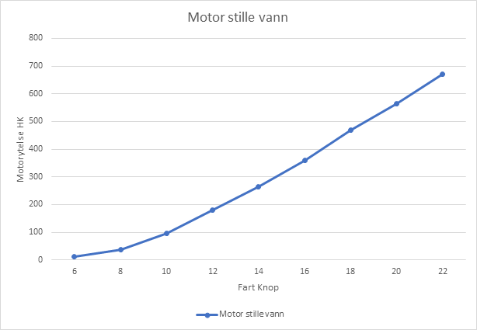
6 | 20 | 14.71
7 | 40 | 29.41
8 | 50 | 36.76
9 | 70 | 51.47
10 | 100 | 73.53
11 | 150 | 110.29
12 | 180 | 132.35
13 | 220 | 161.76
14 | 260 | 191.18
15 | 300 | 220.59
16 | 350 | 257.35
17 | 410 | 301.47
18 | 460 | 338.24
19 | 500 | 367.65
20 | 550 | 404.41
21 | 610 | 448.53
22 | 660 | 485.29

Vessel option | Speed [knots] | Engine speed [rpm] | Gross power [kW] | Gross power [hp] | Load | Gross power, propeller curve [kW] | Specific fuel consumption [g/kWh] | Specific fuel consumption, propeller curve [liter/hour] | Fuel | Density of fuel [kg/liter] | kg CO2/liter fuel

Scania diesel engine | 19 | 1800 | 368 | 500 | 100% |  | 200 | - | Diesel | 0.84 | 2.6
 |  | 1800 |  |  | 75% |  | 207 | - | Diesel | 0.84 | 2.6
 |  | 1800 |  |  | 50% |  | 216 | - | Diesel | 0.84 | 2.6
 |  | 1800 |  |  | N/A | 368 | - | 88 | Diesel | 0.84 | 2.6
 | 18 | 1500 | 350 | 476 | 100% |  | 191 | - | Diesel | 0.84 | 2.6
 |  | 1500 |  |  | 75% |  | 196 | - | Diesel | 0.84 | 2.6
 |  | 1500 |  |  | 50% |  | 202 | - | Diesel | 0.84 | 2.6
 |  | 1500 |  |  | N/A | 233 | - | 56 | Diesel | 0.84 | 2.6
 | 17 | 1200 | 292 | 396 | 100% |  | 192 | - | Diesel | 0.84 | 2.6
 |  | 1200 |  |  | 75% |  | 193 | - | Diesel | 0.84 | 2.6
 |  | 1200 |  |  | 50% |  | 197 | - | Diesel | 0.84 | 2.6
 |  | 1200 |  |  | N/A | 134 | - | 32 | Diesel | 0.84 | 2.6

rpm | Speed of vessel [knots]

1800 | 19
1500 | 18
1200 | 17

Tables
Total CO2 emission during a 20-year period
 | Electric engine system | Diesel engine system
 | 78,613.00 | 1,180,674.14

 | Total CO2 emission from electric [kg] | Total CO2 emission from diesel [kg]
0 | 42,116.76 | 2,931.92
1 | 42,151.68 | 61,819.03
2 | 42,186.60 | 120,706.14
3 | 42,221.52 | 179,593.25
4 | 42,256.44 | 238,480.37
5 | 42,291.36 | 297,367.48
6 | 42,326.28 | 356,254.59
7 | 42,361.20 | 415,141.70
8 | 42,396.12 | 474,028.81
9 | 42,431.04 | 532,915.92
10 | 78,263.81 | 591,803.03
11 | 78,298.73 | 650,690.14
12 | 78,333.65 | 709,577.25
13 | 78,368.57 | 768,464.37
14 | 78,403.48 | 827,351.48
15 | 78,438.40 | 886,238.59
16 | 78,473.32 | 945,125.70
17 | 78,508.24 | 1,004,012.81
18 | 78,543.16 | 1,062,899.92
19 | 78,578.08 | 1,121,787.03
Total CO2 emission during a 20-year period
CO2 emission during the first 5 years of 20-year period
20 | 78,613.00 | 1,180,674.14

CO2 emissions first five years

Electric |  |  | Diesel
Manufacturing of engine | 5,977.11 |  | Manufacturing of engine | 2,704.77
Manufacturing of battery | 71,055.60 |  | Transport of engine | 227.15
Transport of engine | 341.80 |  | Operation | 1,177,742.22
Transport of battery | 540.11
Operation | 698.38

