Sheet1
Constants
Density water [kg/m^3] | Pi | Area single disc [m^2] | Cd - Disc | Cd - pipe | Velocity [m/s] | Diameter disc [m] | Diameter pipe [m] | Viscocity water | Fd Single disc [N]
1000 | 3.14 | 0.0314 | 0.87 | 1.1 | 0.5 | 0.2 | 0.01 | 0.0010005 | 3.41475

Disc |  |  |  |  |  | Fd total [N]
Diameter | Area | Distance discs [diameter] | Fd single disc [N] |  |  |  |  | Distance between discs [D]
0.2 | 0.0314 | 1 | 3.41475 |  |  |  |  | 1.0 | 1.1 | 1.4
 |  | 1.1 |  |  |  | Type of rotor | MR4 | 15.9 | 16.1 | 16.7
 |  | 1.4 |  |  |  |  | MR7 | 27.2 | 27.5 | 28.5
 |  |  |  |  |  |  | MR14 | 55.8 | 56.6 | 59.0
 |  |  |  |  |  |  | MR23 | 92.3 | 93.7 | 97.8
Pipe |  |  |  |  |  |  | MR34 | 138 | 140 | 147
Distance discs [diameter] | Length | Area pipe [m^2] | Fd single pipe [N] |  |  |  | MR47 | 192 | 195 | 204
1 | 0.2 | 0.002 | 0.275
1.1 | 0.22 | 0.0022 | 0.3025 |  |  | Fd total [N] MR7
1.4 | 0.28 | 0.0028 | 0.385 |  |  |  |  | Distance between discs [D]
 |  |  |  |  |  |  |  | T-1 | T-1.1 | T-1.4 | E-1 | E-1.1 | E-1.4 | E- Values from MATLAB
 |  |  |  |  |  | Velocity [m/s] | 0.1 | 1.09 | 1.10 | 1.14 | 1.33 | 1.37 | 1.45
Number of discs | Number of pipes |  |  |  |  |  | 0.2 | 4.35 | 4.41 | 4.56 | 4.89 | 5.08 | 5.16
4 | 8 |  |  |  |  |  | 0.3 | 9.79 | 9.91 | 10.3 | 11.1 | 11.3 | 11.3
7 | 12 |  |  |  |  |  | 0.4 | 17.4 | 17.6 | 18.3 | 19.5 | 20.0 | 20.0
14 | 29 |  |  |  |  |  | 0.5 | 27.2 | 27.5 | 28.5 | 30.1 | 30.7 | 30.4
23 | 50
34 | 79 |  |  |  |  | Fd total [N] Support structure MR7
47 | 114 |  |  |  |  |  |  | Distance between discs [D]
 |  |  |  |  |  |  |  | 1.0 | 1.1 | 1.4
 |  |  |  |  |  | Velocity [m/s] | 0.1 | 0.13 | 0.15 | 0.18
Fd pipe MR7 |  |  |  |  |  |  | 0.5 | 3.30 | 3.63 | 4.62
1.0 D | 3.3 |  |  |  |  |  | 1 | 13.2 | 14.5 | 18.5
1.1 D | 3.63 |  |  |  |  |  | 1.5 | 29.7 | 32.7 | 41.6
1.4 D | 4.62
 |  |  |  |  |  | Fd total [N] MR4
 |  |  |  |  |  |  |  | Distance between discs [D]
 |  |  |  |  |  |  |  | T-1.1 | E-1.1 | E-Values from MATLAB
 |  |  |  |  |  | Velocity [m/s] | 0.1 | 0.64 | 0.54
 |  |  |  |  |  |  | 0.2 | 2.57 | 2.15
 |  |  |  |  |  |  | 0.3 | 5.79 | 4.69
 |  |  |  |  |  |  | 0.4 | 10.3 | 8.09
Fd total [N] MR4 |  |  |  |  |  |  | 0.5 | 16.1 | 12.6
 |  | Distance between disc [D]
 |  | 1.0 | 1.1 | 1.4 |  | Drag coefficient [Cd] MR4
Velocity [m/s] | 0.1 | 0.63 | 0.64 | 0.67 |  | Velocity [m/s] | T-Reynolds number | T-Cd D=1.1 | E-Cd D=1.1
 | 0.2 | 2.54 | 2.57 | 2.68 |  | 0.1 | 19990 | 1.024 | 0.861
 | 0.3 | 5.71 | 5.79 | 6.03 |  | 0.2 | 39980 | 1.024 | 0.855
 | 0.4 | 10.1 | 10.3 | 10.7 |  | 0.3 | 59970 | 1.024 | 0.829
 | 0.5 | 15.9 | 16.1 | 16.7 |  | 0.4 | 79960 | 1.024 | 0.804
 |  |  |  |  |  | 0.5 | 99950 | 1.024 | 0.802
Fd total [N] MR7
 |  | Distance between discs [D] |  |  |  | Fd total [N] Support structure MR4
 |  | 1.0 | 1.1 | 1.4 |  |  |  | Distance between discs [D]
Velocity [m/s] | 0.1 | 1.09 | 1.10 | 1.14 |  |  |  | 1.0 | 1.1 | 1.4
 | 0.2 | 4.35 | 4.41 | 4.56 |  | Velocity [m/s] | 0.1 | 0.09 | 0.10 | 0.12
 | 0.3 | 9.79 | 9.91 | 10.3 |  |  | 0.5 | 2.20 | 2.42 | 3.08
 | 0.4 | 17.4 | 17.6 | 18.3 |  |  | 1 | 8.80 | 9.68 | 12.3
 | 0.5 | 27.2 | 27.5 | 28.5 |  |  | 1.5 | 19.8 | 21.8 | 27.7

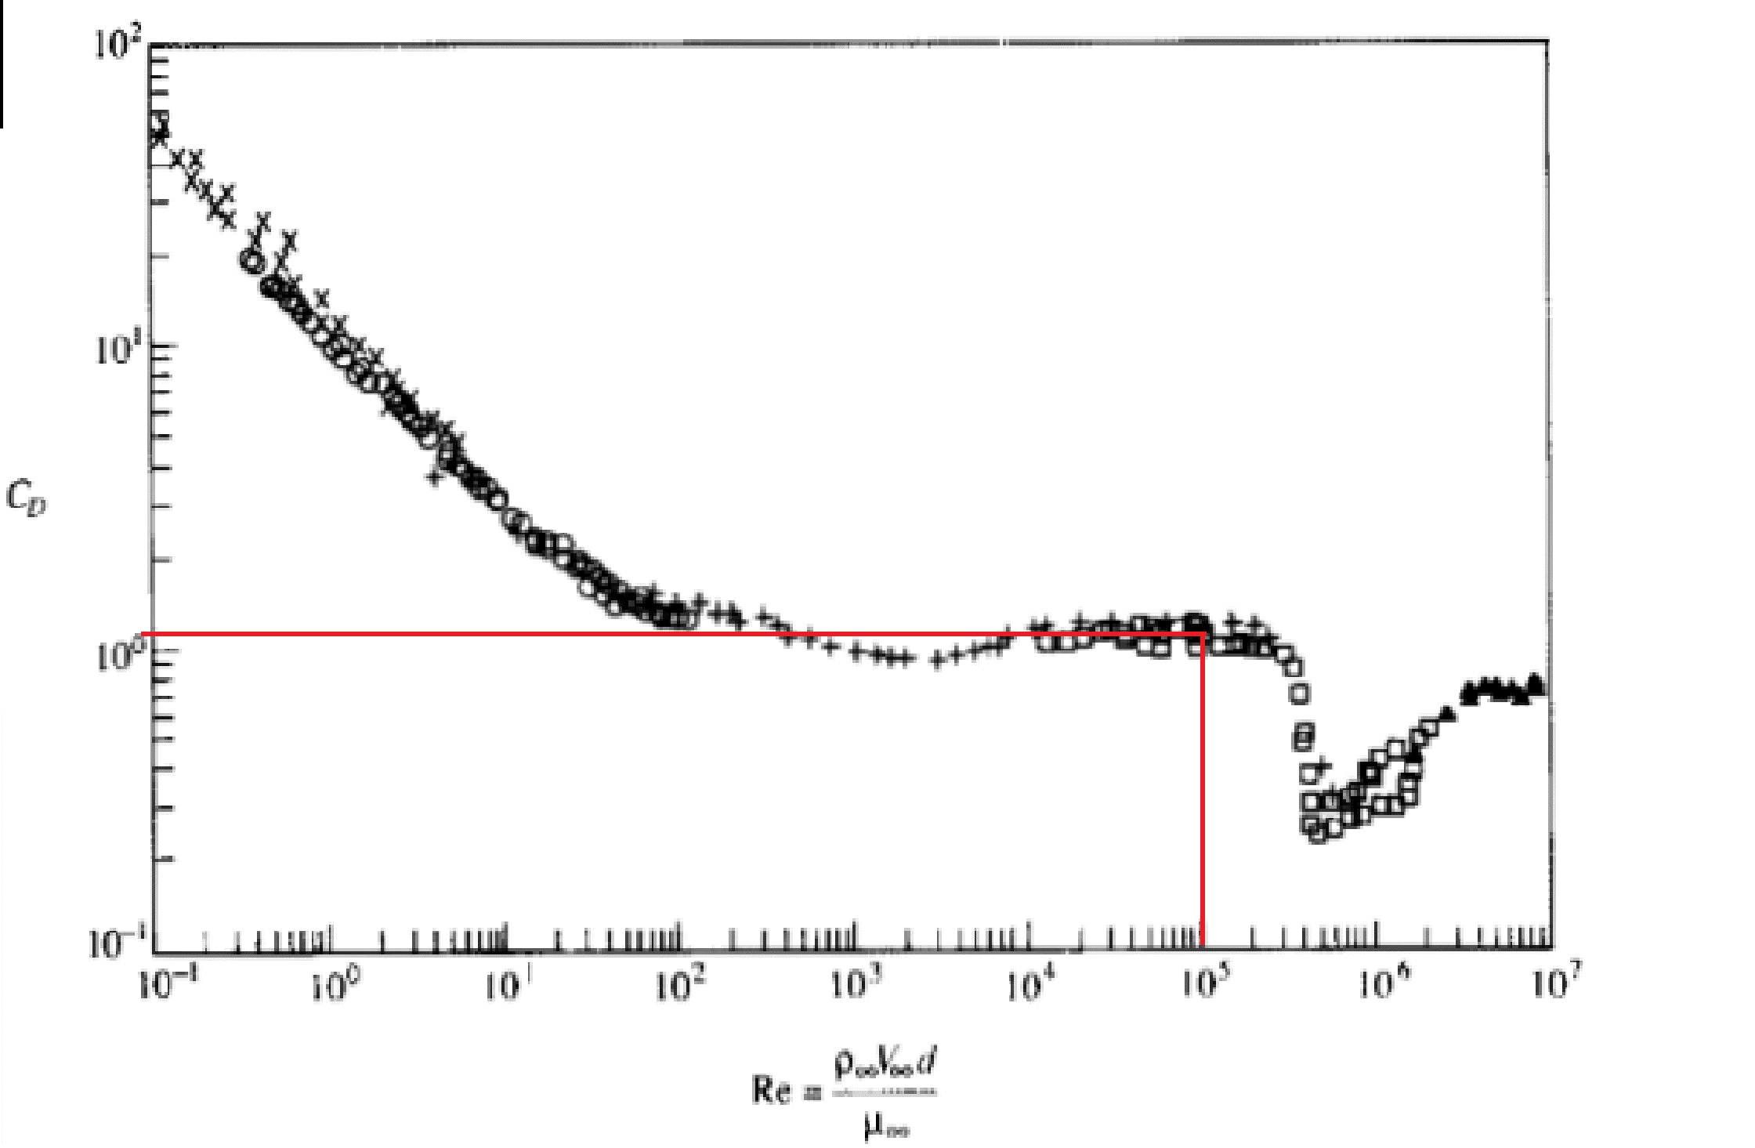
 |  |  |  |  |  | Drag coefficient [Cd] MR7
 |  |  |  |  |  | Velocity | Reynolds number | T-Cd D=1 | T-Cd D=1.1 | T-Cd D=1.4 | E-Cd D=1 | E-Cd D=1.1 | E-Cd D=1.4
 |  |  |  |  |  | 0.1 | 19990 | 0.990 | 1.002 | 1.038 | 1.209 | 1.245 | 1.316
 |  |  |  |  |  | 0.2 | 39980 | 0.990 | 1.002 | 1.038 | 1.112 | 1.156 | 1.173
 |  |  |  |  |  | 0.3 | 59970 | 0.990 | 1.002 | 1.038 | 1.117 | 1.139 | 1.143
 |  |  |  |  |  | 0.4 | 79960 | 0.990 | 1.002 | 1.038 | 1.110 | 1.139 | 1.136
 |  |  |  |  |  | 0.5 | 99950 | 0.990 | 1.002 | 1.038 | 1.096 | 1.116 | 1.106

 |  |  |  |  |  | Drag coefficient [Cd] MR7
 |  |  |  |  |  | Velocity | Reynolds number | T-Cd D=1 | T-Cd D=1.1 | T-Cd D=1.4
 |  |  |  |  |  | 0.1 | 19990 | 0.990 | 1.002 | 1.038
 |  |  |  |  |  | 0.2 | 39980 | 0.990 | 1.002 | 1.038
 |  |  |  |  |  | 0.3 | 59970 | 0.990 | 1.002 | 1.038
 |  |  |  |  |  | 0.4 | 79960 | 0.990 | 1.002 | 1.038
 |  |  |  |  |  | 0.5 | 99950 | 0.990 | 1.002 | 1.038

 |  |  |  |  |  | Drag coefficient [Cd] MR4
 |  |  |  |  |  | Velocity [m/s] | T-Reynolds number | Cd D=1.0 | Cd D=1.1 | Cd D=1.4
 |  |  |  |  |  | 0.1 | 19990 | 1.010 | 1.024 | 1.066
 |  |  |  |  |  | 0.2 | 39980 | 1.010 | 1.024 | 1.066
 |  |  |  |  |  | 0.3 | 59970 | 1.010 | 1.024 | 1.066
 |  |  |  |  |  | 0.4 | 79960 | 1.010 | 1.024 | 1.066
 |  |  |  |  |  | 0.5 | 99950 | 1.010 | 1.024 | 1.066

Link til Cd - stag
https://www.researchgate.net/figure/Variation-of-cylinder-drag-coefficient-with-Reynolds-number-Source-Experimental-data_fig22_316588041

